Sheet1
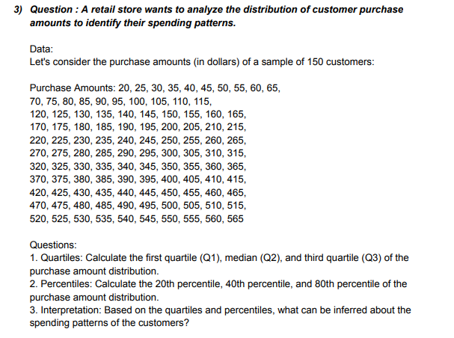
DATA | ANSWERS
20 | QUARTILE | Q1 | 141.25
25 |  | Q2 | 267.5
30 |  | Q3 | 393.75
35 | PERCENTILE
40 |  | 20th | 116
45 |  | 40th | 217
50 |  | 80th | 419
55 | INTERPRETATION | 1. Quartile: The quartiles are divided into three parts i.e: Q1 or Lower Quartile which is from 20 to 141.25, the median or the Q2 quartile is from 141.25 to 267.5 and 393.75 to 515, Q3 or the upper Quartile is from 267.5 to 393.75.
60 |  | 2. Percentile: 20% of the amount is equal to or below $116, 40% of the amount is equal to or below $217, 80% of the amount is equal to or below $419.
65
70
75
80
85
90
95
100
105
110
115
120
125
130
135
140
145
150
155
160
165
170
175
180
185
190
195
200
205
210
215
220
225
230
235
240
245
250
255
260
265
270
275
280
285
290
295
300
305
310
315
320
325
330
335
340
345
350
355
360
365
370
375
380
385
390
395
400
405
410
415
420
425
430
435
440
445
450
455
460
465
470
475
480
485
490
495
500
505
510
515

